Annexure II
BAJAJ FINSERV MUTUAL FUND
 |  |  | Annexure II
Risk-o-meter of the Scheme, Name of Scheme’s benchmark and risk-o-meter of the Scheme’s benchmark as on March 31, 2024

Scheme Name | Scheme - Risk o Meter | Benchmark Name | Benchmark - Risk o Meter

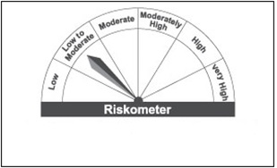

Bajaj Finserv Liquid Fund |  | NIFTY Liquid Index A-I

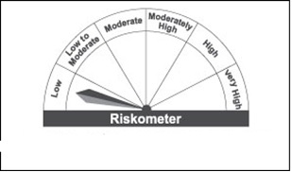

Bajaj Finserv Overnight Fund |  | CRISIL LIQUID OVERNIGHT INDEX

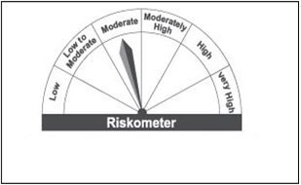

Bajaj Finserv Money Market Fund |  | NIFTY Money Market Index A-I

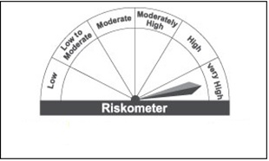

Bajaj Finserv Flexi Cap Fund |  | S&P BSE 500 TRI

Bajaj Finserv Arbitrage Fund |  | NIFTY 50 ARBITRAGE INDEX TRI

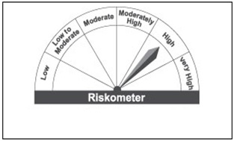

Bajaj Finserv Balanced Advantage Fund |  | NIFTY 50 HYBRID COMPOSITE DEBT 50:50 INDEX

Bajaj Finserv Banking and PSU Fund |  | Nifty Banking & PSU Debt Index A-II

Bajaj Finserv Large and Midcap Fund |  | NIFTY LARGE MIDCAP 250 TRI

Bajaj Finserv Nifty 50 ETF |  | NIFTY 50 TRI

Bajaj Finserv Nifty Bank ETF |  | NIFTY BANK TRI

