Annexure II
BAJAJ FINSERV MUTUAL FUND
 |  |  | Annexure II
Risk-o-meter of the Scheme, Name of Scheme’s benchmark and risk-o-meter of the Scheme’s benchmark as on Setember 30, 2023

Scheme Name | Scheme - Risk o Meter | Benchmark Name | Benchmark - Risk o Meter

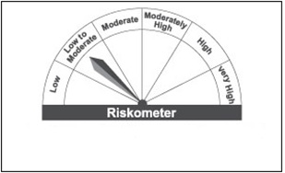

Bajaj Finserv Liquid Fund |  | NIFTY LIQUID INDEX B-1

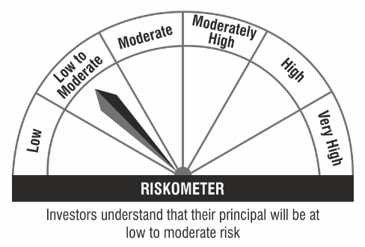
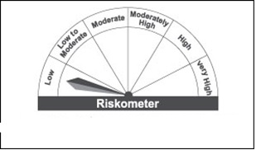

Bajaj Finserv Overnight Fund |  | CRISIL LIQUID OVERNIGHT INDEX

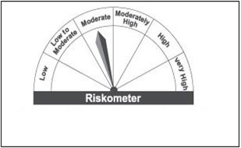

Bajaj Finserv Money Market Fund |  | NIFTY MONEY MARKET INDEX B-I

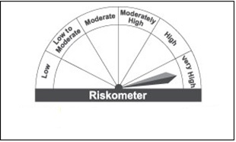

Bajaj Finserv Flexi Cap Fund |  | S&P BSE 500 TRI

Bajaj Finserv Arbitrage Fund |  | NIFTY 50 ARBITRAGE INDEX TRI

